Dashboard
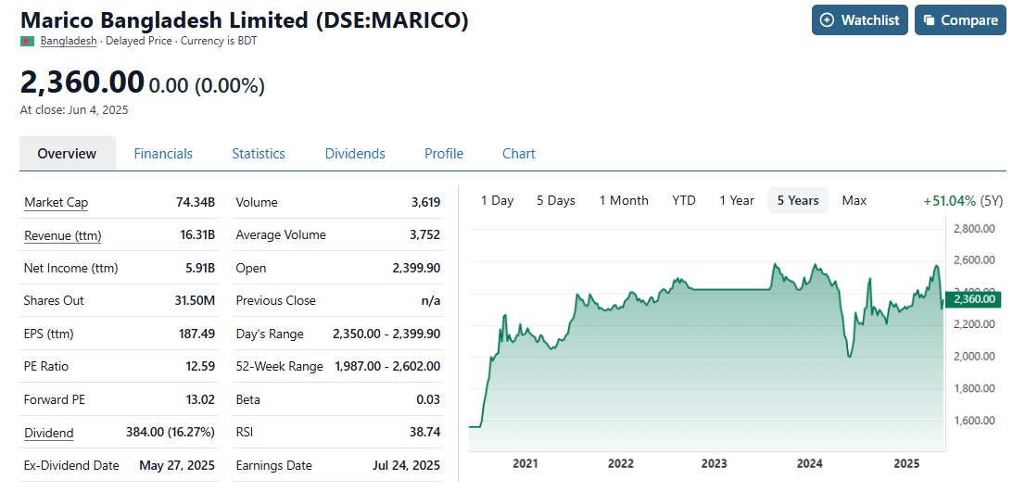
EBITDA
 | EBITDA |  | Net Profit %
FY 2020 Act | 3,641 | 3,641
FY 2021 Act | 4,370 | 4,370 | 0.17259661977
FY 2022 Act | 4,758 | 4,758 | 0.15843379822
FY 2023 Act | 5,240 | 5,240 | 0.088810289655
FY 2024 Act | 6,256 | 6,256 | 0.18869900929
FY25 Forecast | 7,094 | 7,094 | 0.16026597245
FY26 Forecast | 7,836 | 7,836 | 0.12344886036
FY27 Forecast | 8,671 | 8,671 | 0.10121146481
FY28 Forecast | 9,621 | 9,621 | 0.10439418768
FY29 Forecast | 10,715 |  | 0.10881914697
Unlevered Free Cash Flow
 | 31 Mar 2021 Act | 31 Mar 2022 Act | 31 Mar 2023 Act | 31 Mar 2024 Act | FY25 Forecast | FY26 Forecast | FY27 Forecast | FY28 Forecast | FY29 Forecast
 | 3,326,566,841 | 3,739,767,886 | 7,269,399,548 | 4,040,224,189 | 6,134,202,585 | 6,377,662,793 | 7,055,207,684 | 7,824,374,232 | 8,708,644,902
UFCF
3,326,566,841
3,739,767,886
7,269,399,548
4,040,224,189
6,134,202,585
6,377,662,793
7,055,207,684
7,824,374,232
8,708,644,902
Working Capital
 | Working Capital | Days receivables (DSO) | Days inventory (DIO) | Days payables (DPO)
FY 2020 Act | (1,035,870,991)
FY 2021 Act | (1,037,415,289) | 2.0 | 139.8 | 224.2
FY 2022 Act | (1,163,379,596) | 1.9 | 130.2 | 200.2
FY 2023 Act | (4,517,139,361) | 1.6 | 128.5 | 281.6
FY 2024 Act | (3,778,534,973) | 1.3 | 173.5 | 421.3
FY25 Forecast | (4,593,272,820) | 1.5 | 150.0 | 400.0
FY26 Forecast | (5,052,600,102) | 1.5 | 150.0 | 400.0
FY27 Forecast | (5,557,860,112) | 1.5 | 150.0 | 400.0
FY28 Forecast | (6,113,646,123) | 1.5 | 150.0 | 400.0
FY29 Forecast | (6,725,010,736) | 1.5 | 150.0 | 400.0
Unlevered Cash Flow Comparison Chart
 | UFCF | Present Value of UFCF
FY25 Forecast | 6,134,202,585 | 5,483,462,864
FY26 Forecast | 6,377,662,793 | 5,096,301,778
FY27 Forecast | 7,055,207,684 | 5,039,647,706
FY28 Forecast | 7,824,374,232 | 4,996,165,105
FY29 Forecast | 8,708,644,902 | 4,970,894,454

Marico Bangladesh Limited Financial History and Projection Summary
Selected Case | 1
 |  | Case scenarios:
Fair Value | 2,690.9 | Case 1: Optimistic case
Market Price | 2360 | Case 2: Base case
Comment | Undervalued | Case 3: Worst case

Ratio of Cash Flow
PV of Cash flows | 31%
PV of Continuing value | 69%

Working Capital

DCF Valuation
DCF Valuation

Cost of Equity with DDM
Current Dividend | 45.00
Expected DPS | 49.50
Growth Rate | 0.10
Share Price | 2533
Cost of Equity | 11.954%

Cost of Debt | 14%
Debt | 7%
Equity | 93%
Tax Rate | 23%

WACC | 11.87%
Growth Rate | 3%
 |  |  |  |  |  | 1.0 | 2.0 | 3.0 | 4.0 | 5.0
$ in thousands | 31 Mar 2021 Act | 31 Mar 2022 Act | 31 Mar 2023 Act | 31 Mar 2024 Act |  | FY25 Forecast | FY26 Forecast | FY27 Forecast | FY28 Forecast | FY29 Forecast
UFCF |  |  |  |  |  | 6,134,202,585 | 6,377,662,793 | 7,055,207,684 | 7,824,374,232 | 8,708,644,902

Discount factor (WACC) |  |  |  |  |  | 0.89 | 0.80 | 0.71 | 0.64 | 0.57
PV of UFCF |  |  |  |  |  | 5,483,462,864 | 5,096,301,778 | 5,039,647,706 | 4,996,165,105 | 4,970,894,454

DCF Valuation
PV of Cash flows | 25,586,471,907 | $ | 31% |  | of Enterprise value
Continuing value | 101,156,955,633 | $
PV of Continuing value | 57,740,389,628 | $ | 69% |  | of Enterprise value
Enterprise value | 83,326,861,535 | $
-Financial liabilities | (450,000,000) | $
+Cash | 1,887,129,573 | $
Equity value | 84,763,991,108 | $
WACC
Number of Common Shares Outstanding | 31,500,000
Fair Value Matrix
Fair Value of a Share | 2,690.9 |  |  |  |  |  |  |  |  |  |  |  | Fair Value
 |  |  |  |  | 83,326,861,535.0
 |  |  |  |  | 83,326,861,535 | 10% | 12% | 14% | 16% |  | - | 10% | 12% | 14% | 16%
g
g
 |  |  |  |  | 1% | 87,582,418,850 | 70,869,137,018 | 59,346,212,620 | 50,933,766,931 |  | 1% | 2,780 | 2,250 | 1,884 | 1,617
 |  |  |  |  | 2% | 95,843,698,914 | 75,900,501,812 | 62,651,479,857 | 53,224,103,624 |  | 2% | 3,043 | 2,410 | 1,989 | 1,690
 |  |  |  |  | 3% | 106,465,344,711 | 82,049,947,672 | 66,557,704,773 | 55,866,799,807 |  | 3% | 3,380 | 2,605 | 2,113 | 1,774
 |  |  |  |  | 4% | 120,627,539,106 | 89,736,754,997 | 71,245,174,672 | 58,949,945,354 |  | 4% | 3,829 | 2,849 | 2,262 | 1,871

